04 DB Schema
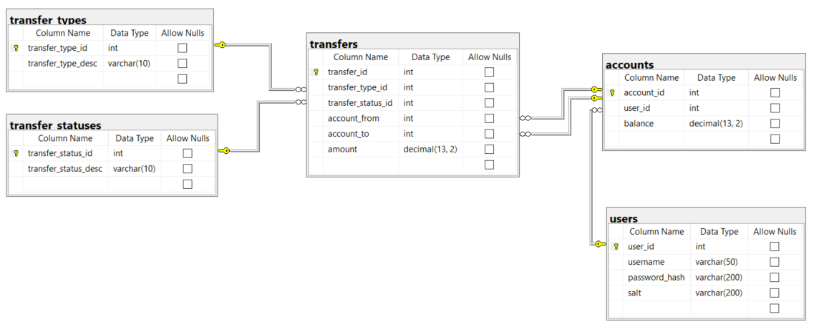 |  | ## Database Schema ![Database schema](./img/database_schema.png) ### Users table The `users` table stores the login information for users of the system. | Field | Description | | --------------- | ------------------------------------------------------------------------------ | | `user_id` | Unique identifier of the user | | `username` | String that identifies the name of the user; used as part of the login process | | `password_hash` | Hashed version of the user's password | | `salt` | String that helps hash the password | ### Accounts table The `accounts` table stores the accounts of users in the system. | Field | Description | | --------------- | ------------------------------------------------------------------ | | `account_id` | Unique identifier of the account | | `user_id` | Foreign key to the `users` table; identifies user who owns account | | `balance` | The amount of TE bucks currently in the account | ### Transfer types table The `transfer_types` table stores the types of transfers that are possible. | Field | Description | | -------------------- | --------------------------------------- | | `transfer_type_id` | Unique identifier of the transfer type | | `transfer_type_desc` | String description of the transfer type | There are two types of transfers: | `transfer_type_id` | `transfer_type_desc` | Purpose | | ------------------ | -------------------- | ---------------------------------------------------------------------- | | 1

 | I am using a Starting Balances table that will contain the beginning balance for each account
 | An account's balance is therefore the sum of starting balance, transfers out, and transfers in
 | As such…balance doesn't need to be stored in the accounts table
 | The accounts-to-starting balances relationship is one to one

 | I also made the decision not to have cascading updates and deletes in the db, a decision that may need to be revisited

 | And I enforced a relationship in my db differently than indicated here; accounts-to-users is one to one instead of many to one
 | (Allowing multiple accounts per user could be a new feature down the road; I added this to 99 TODO)

 | Lastly - I added a date created column to the accounts, users, transfers, and starting balances tables

